ID02
IDBI MUTUAL FUND (LIVE SCHEMES) | ID02 |  |  |  |  |  | Back to Index
SCHEME NAME : | IDBI Liquid Fund
PORTFOLIO STATEMENT AS ON : | 2022-01-15
BENCHMARK INDEX NAME : | CRISIL Liquid Fund Index
Name of the Instrument / Issuer | ISIN | Rating | Industry ^ | Quantity | Market value (Rs. in Lakhs) | % to AUM | YTM % | Notes & Symbols

EQUITY & EQUITY RELATED

a) Listed/awaiting listing on Stock Exchanges |  |  |  |  | NIL | NIL

b) Unlisted |  |  |  |  | NIL | NIL

c) Foreign Securities and /or overseas ETF |  |  |  |  | NIL | NIL

DEBT INSTRUMENTS

a) Listed/awaiting listing on the stock exchanges |  |  |  |  | NIL | NIL

b) Privately Placed/Unlisted |  |  |  |  | NIL | NIL

c) Securitised Debt Instruments |  |  |  |  | NIL | NIL

d) Central Government Securities |  |  |  |  | NIL | NIL

e) State Government Securities |  |  |  |  | NIL | NIL

MONEY MARKET INSTRUMENTS
a) Commercial Paper
Housing Development Finance Corporation Ltd. | INE001A14XM0 | CRISIL A1+ | Finance | 7,500,000 | 7,468.99 | 8.20 | 3.52 | N**
Reliance Industries Ltd. | INE002A14JO3 | CRISIL A1+ | Petroleum Products | 5,000,000 | 4,981.27 | 5.47 | 3.52 | N**
Aditya Birla Money Ltd. | INE865C14GR8 | CRISIL A1+ | Capital Markets | 5,000,000 | 4,976.06 | 5.46 | 4.09 | N**
KEC International Ltd. | INE389H14HL9 | CRISIL A1+ | Power | 5,000,000 | 4,970.49 | 5.45 | 4.25 | N**
ICICI Securities Ltd. | INE763G14KO5 | CRISIL A1+ | Capital Markets | 5,000,000 | 4,969.28 | 5.45 | 3.83 | N**
NTPC Ltd. | INE733E14AP1 | CRISIL A1+ | Power | 5,000,000 | 4,964.56 | 5.45 | 3.57 | N**
Chennai Petroleum Corporation Ltd. | INE178A14HG1 | CRISIL A1+ | Petroleum Products | 5,000,000 | 4,963.72 | 5.45 | 3.61 | N**
Reliance Jio Infocomm Ltd. | INE110L14QC1 | CRISIL A1+ | Telecom - Services | 2,500,000 | 2,493.71 | 2.74 | 3.54 | N**
JK Cement Ltd. | INE823G14660 | CARE A1+ | Cement & Cement Products | 2,500,000 | 2,483.10 | 2.72 | 3.77 | N**
Total |  |  |  |  | 42,271.18 | 46.39

b) Certificate of Deposits |  |  |  |  | NIL | NIL

c) Treasury Bills
91 DAY T-BILL 17.03.22 | IN002021X405 | Sovereign |  | 2,500,000 | 2,485.84 | 2.73 | 3.46
Total |  |  |  |  | 2,485.84 | 2.73

d) Bills Re- Discounting |  |  |  |  | NIL | NIL

OTHERS
a) Mutual Fund Units / Exchange Traded Funds |  |  |  |  | NIL | NIL

b) Gold |  |  |  |  | NIL | NIL

c) Short Term Deposits |  |  |  |  | NIL | NIL

d) Term Deposits Placed as Margins |  |  |  |  | NIL | NIL

e) TREPS / Reverse Repo Investments ##
TREPS |  |  |  |  | 46,235.27 | 50.73
Total |  |  |  |  | 46,235.27 | 50.73

Other Current Assets / (Liabilities)
Net Receivable / Payable |  |  |  |  | 140.42 | 0.15
Total |  |  |  |  | 140.42 | 0.15

GRAND TOTAL (AUM) |  |  |  |  | 91,132.71 | 100.00

Notes & Symbols :-
# -> Less Than 0.005% ; A** -> Awaiting Listing on Stock Exchanges ; T** -> Thinly Traded Securities ; N** -> Non Traded Securities ; I** -> Illiquid Shares ; R** -> Rights Entitlement ; P** Preference Shares ; W** Warrants
1. Non Convertible Debentures and Bonds are considered as Traded based on information provided by external agencies.
2. ^ The Name of the Industry is in accordance with Industry Classification as recommended by AMFI.
3. ## rename as triparty repo on Government securities or treasury bills aa per SEBI Circular No. SEBI/HO/IMD/DF2/CIR/P/2021/024 dated March 04, 2021

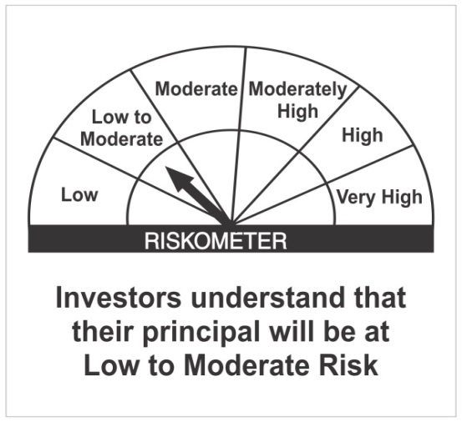
IDBI Liquid Fund |  |  |  | Benchmark - CRISIL Liquid Fund Index
This product is suitable for investors who are seeking*:
• High level of liquidity along with regular income for short term • Investments in Debt/ Money Market Instruments with maturity / residual maturity up to 91 days

 | Investors understand that their principal will be at Low to Moderate Risk
*Investors should consult their financial advisors if in doubt about whether the product is suitable for them.

Scheme Risk-O-Meter and Scheme Benchmark Risk-O-Meter as of 31st December 2021

ID03
IDBI MUTUAL FUND (LIVE SCHEMES) | ID03 |  |  |  |  |  | Back to Index
SCHEME NAME : | IDBI Ultra Short Term Fund
PORTFOLIO STATEMENT AS ON : | 2022-01-15
BENCHMARK INDEX NAME : | CRISIL Ultra Short Term Debt Index
Name of the Instrument / Issuer | ISIN | Rating | Industry ^ | Quantity | Market value (Rs. in Lakhs) | % to AUM | YTM % | YTC % | Notes & Symbols

EQUITY & EQUITY RELATED

a) Listed/awaiting listing on Stock Exchanges |  |  |  |  | NIL | NIL

b) Unlisted |  |  |  |  | NIL | NIL

c) Foreign Securities and /or overseas ETF |  |  |  |  | NIL | NIL

DEBT INSTRUMENTS
a) Listed/awaiting listing on the stock exchanges
Dalmia Cement (Bharat) Limited earlier Odisha Cement Limited | INE290B07063 | [ICRA]AA+ | Cement & Cement Products | 2,500,000 | 2,526.02 | 8.94 | 4.31 |  | N**
Punjab National Bank( AT1 Bond under Basel III ) | INE160A08118 | BWR AA | Banks | 450,000 | 452.19 | 1.60 | 9.13 | 6.25 | N**
Tata Power Company Ltd. | INE245A08117 | IND AA | Power | 200,000 | 204.42 | 0.72 | 5.16 |  | N**
REC Ltd. | INE020B08DF6 | CRISIL AAA | Finance | 200,000 | 197.74 | 0.70 | 6.18 |  | N**
Chennai Petroleum Corporation Ltd. | INE178A08029 | CRISIL AAA | Petroleum Products | 200,000 | 197.19 | 0.70 | 6.23 |  | N**
Godrej Properties Ltd. | INE484J08022 | [ICRA]AA | Construction | 150,000 | 153.48 | 0.54 | 5.84 |  | N**
JSW Steel Ltd. | INE019A07431 | IND AA | Ferrous Metals | 150,000 | 153.32 | 0.54 | 7.95 |  | N**
Tata Motors Ltd. | INE155A08431 | CRISIL AA- | Auto | 150,000 | 150.54 | 0.53 | 6.84 |  | N**
Piramal Capital & Housing Finance Ltd. | INE516Y07444 | [ICRA]AA | Finance | 105,700 | 88.24 | 0.31 | 10.90 |  | N**
Total |  |  |  |  | 4,123.14 | 14.58

b) Privately Placed/Unlisted |  |  |  |  | NIL | NIL

c) Securitised Debt Instruments |  |  |  |  | NIL | NIL

d) Central Government Securities |  |  |  |  | NIL | NIL

e) State Government Securities |  |  |  |  | NIL | NIL

MONEY MARKET INSTRUMENTS
a) Commercial Paper
Reliance Jio Infocomm Ltd. | INE110L14QC1 | CRISIL A1+ | Telecom - Services | 2,500,000 | 2,493.71 | 8.83 | 3.54 |  | N**
Housing Development Finance Corporation Ltd. | INE001A14XM0 | CRISIL A1+ | Finance | 2,500,000 | 2,489.66 | 8.81 | 3.52 |  | N**
LIC Housing Finance Ltd. | INE115A14DJ6 | CRISIL A1+ | Finance | 2,500,000 | 2,487.42 | 8.81 | 3.62 |  | N**
Chennai Petroleum Corporation Ltd. | INE178A14HG1 | CRISIL A1+ | Petroleum Products | 2,500,000 | 2,481.86 | 8.79 | 3.61 |  | N**
Total |  |  |  |  | 9,952.65 | 35.24

b) Certificate of Deposits
Axis Bank Ltd. | INE238A163W6 | CRISIL A1+ | Banks | 2,500,000 | 2,497.17 | 8.84 | 3.45 |  | N**
SBM Bank (India) Ltd. | INE07PX16210 | [ICRA]A1+ | Banks | 2,500,000 | 2,493.14 | 8.83 | 4.19 |  | N**
Small Industries Development Bank of India | INE556F16853 | CRISIL A1+ | Finance | 2,500,000 | 2,485.46 | 8.80 | 3.50 |  | N**
HDFC Bank Ltd. | INE040A16CK1 | IND A1+ | Banks | 2,500,000 | 2,484.64 | 8.80 | 3.53 |  | N**
Total |  |  |  |  | 9,960.41 | 35.27

c) Treasury Bills |  |  |  |  | NIL | NIL

d) Bills Re- Discounting |  |  |  |  | NIL | NIL

OTHERS
a) Mutual Fund Units / Exchange Traded Funds |  |  |  |  | NIL | NIL

b) Gold |  |  |  |  | NIL | NIL

c) Short Term Deposits |  |  |  |  | NIL | NIL

d) Term Deposits Placed as Margins |  |  |  |  | NIL | NIL

e) TREPS / Reverse Repo Investments ##
TREPS |  |  |  |  | 3,717.42 | 13.16
Total |  |  |  |  | 3,717.42 | 13.16

Other Current Assets / (Liabilities)
Net Receivable / Payable |  |  |  |  | 494.27 | 1.75
Total |  |  |  |  | 494.27 | 1.75

GRAND TOTAL (AUM) |  |  |  |  | 28,247.89 | 100.00

Notes & Symbols :-
# -> Less Than 0.005% ; A** -> Awaiting Listing on Stock Exchanges ; T** -> Thinly Traded Securities ; N** -> Non Traded Securities ; I** -> Illiquid Shares ; R** -> Rights Entitlement ; P** Preference Shares ; W** Warrants
1. Non Convertible Debentures and Bonds are considered as Traded based on information provided by external agencies.
2. ^ The Name of the Industry is in accordance with Industry Classification as recommended by AMFI.
3. ## rename as triparty repo on Government securities or treasury bills aa per SEBI Circular No. SEBI/HO/IMD/DF2/CIR/P/2021/024 dated March 04, 2021

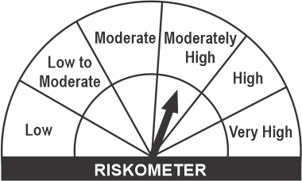
IDBI Ultra Short Term Fund |  |  |  | Benchmark - CRISIL Ultra Short Term Debt Index
This product is suitable for investors who are seeking*:
• Regular income for short term • Investments in Debt / Money market instruments with relatively lower interest rate risk, such that the Macaulay duration of the portfolio is maintained between 3 months to 6 months | 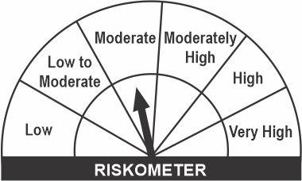

 | Investors understand that their principal will be at Moderate Risk
*Investors should consult their financial advisors if in doubt about whether the product is suitable for them.

Scheme Risk-O-Meter and Scheme Benchmark Risk-O-Meter as of 31st December 2021

ID13
IDBI MUTUAL FUND (LIVE SCHEMES) | ID13 |  |  |  |  |  | Back to Index
SCHEME NAME : | IDBI Credit Risk Fund
PORTFOLIO STATEMENT AS ON : | 2022-01-15
BENCHMARK INDEX NAME : | NIFTY Credit Risk Bond Fund
Name of the Instrument / Issuer | ISIN | Rating | Industry ^ | Quantity | Market value (Rs. in Lakhs) | % to AUM | YTM % | YTC % | Notes & Symbols
...
3. $ This is with reference to Gazette Notification dated 13th March, 2020 issued by Ministry of Finance (Department of Financial Services) notifying ‘Yes Bank Limited Reconstruction Scheme, 2020’.As per clause no. 3(8)(a) of Yes Bank Ltd 2020, a lock-in period of three (3) years is imposed to the extent of 75% of “Yes Bank Equity Shares (“YBES”)” held by existing shareholders on the date of the commencement of the Scheme i.e. March 14, 2020. These restrictions will apply to all those shareholders who own over 100 YBES. It is decided that in order to have uniform valuation of locked-in Yes Bank shares, any realisation post the lock-in period shall be distributed to the existing set of investors as on March 13, 2020.
4. ## rename as triparty repo on Government securities or treasury bills aa per SEBI Circular No. SEBI/HO/IMD/DF2/CIR/P/2021/024 dated March 04, 2021

IDBI Credit Risk Fund |  |  |  | Benchmark - NIFTY Credit Risk Bond Fund
This product is suitable for investors who are seeking*:
• Regular income & capital appreciation through active management for at least medium term horizon • Investments predominantly in AA and below rated corporate bonds across maturity spectrum

 |  |  |  | 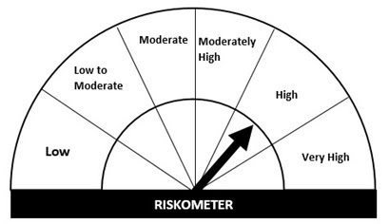
 | Investors understand that their principal will be at Moderately High Risk
*Investors should consult their financial advisors if in doubt about whether the product is suitable for them.

Scheme Risk-O-Meter and Scheme Benchmark Risk-O-Meter as of 31st December 2021

